task 1
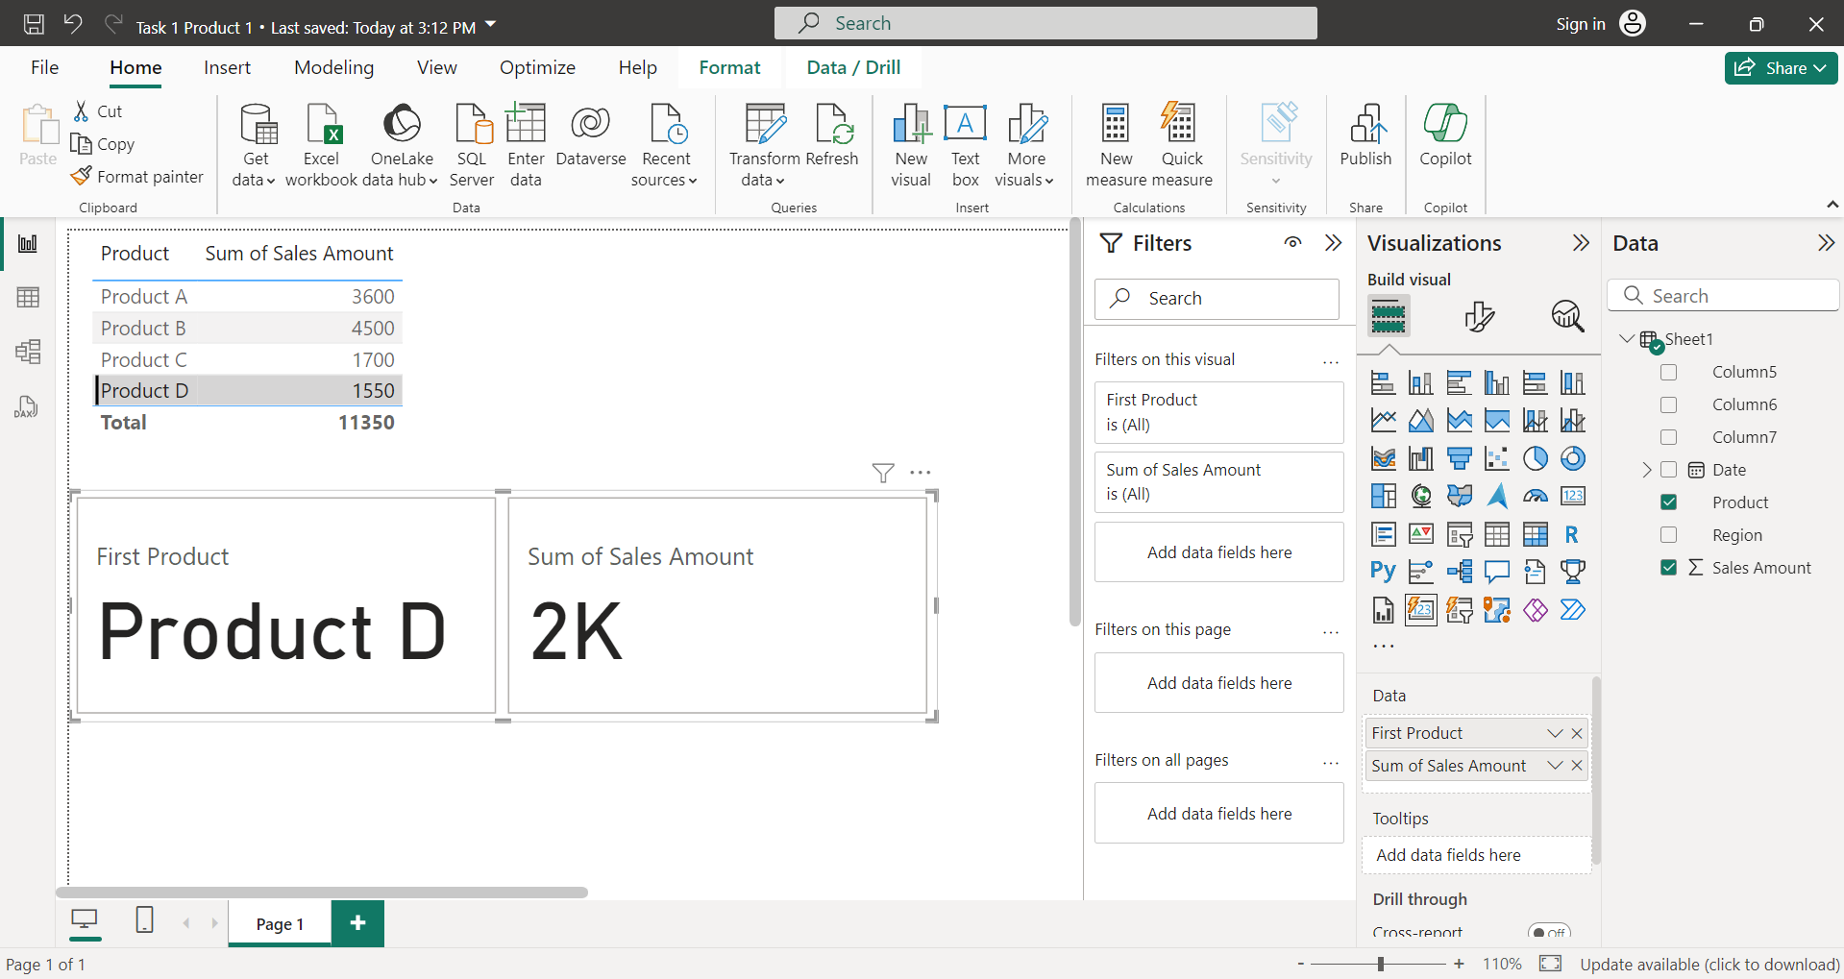

task 2
Row Labels | Average of Sales Amount
South | 1450
Grand Total | 1450

task 3
Row Labels | Max of Sales Amount | Row Labels | Sum of Sales Amount
West | 850 | East | 1700
Grand Total | 850 | North | 3600
 |  | South | 2900
 |  | West | 1550
 |  | Grand Total | 9750

task 4
Row Labels | Sum of Sales Amount
Product A | 3600
North | 3600
Product B | 2900
South | 2900
Product C | 1700
East | 1700
Product D | 1550
West | 1550
Grand Total | 9750

